Sheet1
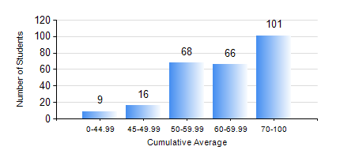
 |  |  | KWAME NKRUMAH UNIVERSITY OF SCIENCE AND TECHNOLOGY, KUMASI Department of Civil Engineering

 |  |  | BSC. CIVIL ENG.

 |  |  | COMPREHENSIVE RECORD OF EXAMINATION RESULTS

 |  |  | RESULTS OF YEAR 1 FIRST SEMESTER, 2024/2025 ACADEMIC YEAR

 | Sn | Course Code |  | Course Name | Credit Hours | Min. Mark | Max. Mark | Avg. Mark | Std. Dev. | No. Passed | No. Trailed | No. (Df) | No. (I) | No. (I*) | No. Tagged(I,I*,Df) | Total
 | 1. | ARC 155 |  | CLIMATE AND ARCHITECTURE | 2 | 0 | 91 | 58 | 21.44 | 55 | 6 | 0 | 0 | 0 | 0 | 61
 | 2. | CE 151 |  | ELEMENTARY STRUCTURES | 3 | 0 | 99 | 62 | 18.99 | 251 | 8 | 0 | 1 | 0 | 1 | 260
 | 3. | CE 153 |  | ENGINEERING PRACTICE AND TECHNOLOGY | 2 | 0 | 84 | 60 | 11.52 | 251 | 9 | 0 | 0 | 0 | 0 | 260
 | 4. | ECON 151 |  | INTRODUCTORY ECONOMICS I | 2 | 0 | 94 | 66 | 20.15 | 32 | 1 | 0 | 0 | 0 | 0 | 33
 | 5. | ENGL 157 |  | COMMUNICATION SKILLS I | 2 | 0 | 89 | 66 | 11.6 | 256 | 4 | 0 | 0 | 0 | 0 | 260
 | 6. | FC 181 |  | FRENCH FOR COMMUNICATION PURPOSES I | 2 | 0 | 96 | 78 | 10.94 | 173 | 1 | 0 | 0 | 0 | 0 | 174
 | 7. | MATH 151 |  | ALGEBRA | 4 | 0 | 89 | 63 | 11.19 | 258 | 2 | 0 | 0 | 0 | 0 | 260
 | 8. | ME 159 |  | TECHNICAL DRAWING | 2 | 0 | 88 | 64 | 13.14 | 250 | 8 | 0 | 2 | 0 | 2 | 260
 | 9. | ME 161 |  | BASIC MECHANICS | 3 | 0 | 96 | 66 | 18.01 | 255 | 5 | 0 | 0 | 0 | 0 | 260

